Fig6
Figure 6c
Ppara lox/lox | Ppara I-KO
3.88 | 2.79 |  | ttest
6.41 | 5.28 |  | 0.015694175136
7.76 | 2.21
10.47 | 3.8
4.69 | 4.05
5.9 | 1.85

Figure 6d
 | Ppara lox/lox |  |  |  |  |  | Ppara I-KO |  |  |  |  |  |  | ttest
25% | 1.86 | 1.76 | 1.59 | 1.59 | 1.74 | 1.79 | 1.71 | 1.71 | 1.40 | 1.55 | 1.47 | 1.52 |  | 0.0403185814
50% | 3.50 | 3.16 | 2.61 | 2.66 | 3.23 | 3.38 | 2.94 | 2.94 | 2.05 | 2.58 | 2.34 | 2.56 |  | 0.031967322047
75% | 7.24 | 6.11 | 4.88 | 5.21 | 6.71 | 7.24 | 5.82 | 5.60 | 3.40 | 4.88 | 4.15 | 4.95 |  | 0.027311175978

Figure 6e
 | Ppara lox/lox |  |  |  |  |  |  |  | Ppara I-KO |  |  |  |  |  | ttest | ttest
[1-2] | 6.9 | 9.9 | 12.9 | 11.8 | 7.8 | 6.5 |  |  | 9.3 | 10.1 | 23.1 | 13 | 19 | 12.5 | 0.061086080416 | 0.9248227551
[2-5] | 18.9 | 24.5 | 29.5 | 26.5 | 20.2 | 17 |  |  | 23.5 | 26.3 | 40.3 | 28.3 | 35.9 | 26.6 | 0.049660356703 | #DIV/0!
[5-10] | 24.9 | 26.6 | 27.1 | 26.4 | 23.8 | 19.8 |  |  | 25.5 | 28.2 | 23.1 | 26.7 | 24 | 25.6 | 0.58790979994 | #DIV/0!
[10-20] | 28.5 | 20.3 | 20.7 | 22.1 | 26.8 | 22.5 |  |  | 23.5 | 21.9 | 10.4 | 21 | 14.6 | 19.6 | 0.070446918354 | #DIV/0!
[20+] | 20.7 | 18 | 9.9 | 13.2 | 21.3 | 34.2 |  |  | 18.2 | 13.5 | 3.1 | 11 | 6.6 | 15.7 | 0.076244308 | #DIV/0!

Figure 6f
 | Ppara lox/lox |  |  |  |  |  |  | Ppara I-KO |  |  |  |  |  |  | ttest
Ppara | 0.59 | 1.49 | 0.87 | 1.06 | 0.37 | 1.98 | 0.64 | 0 | 0.01 | 0 | 0 | 0 | 0 | 0 | 0.00053626355011
Ppard | 1.2 | 0.81 | 0.84 | 0.91 | 1.08 | 0.95 | 1.21 | 1.34 | 1.12 | 0.87 | 0.8 | 0.97 | 0.77 | 1.61 | 0.61545819576
Pparg | 0.98 | 1.41 | 0.77 | 1.36 | 0.72 | 1.12 | 0.65 | 0.68 | 0.81 | 1.24 | 0.88 | 0.68 | 0.84 | 0.48 | 0.19672184365
Prdm16 | 0.96 | 1.3 | 0.94 | 1.08 | 0.48 | 1.19 | 1.05 | 0.96 | 1.34 | 1.15 | 0.46 | 0.47 | 0.86 | 0.68 | 0.35457374448
Rxra | 1.06 | 1.29 | 1.03 | 1.07 | 0.7 | 1.11 | 0.73 | 0.61 | 0.93 | 0.72 | 0.79 | 0.89 | 0.63 | 0.61 | 0.018157343262
Slc27a2 | 1.15 | 1.51 | 1.06 | 0.85 | 0.65 | 1.06 | 0.74 | 0.7 | 0.65 | 0.61 | 0.64 | 0.37 | 0.39 | 0.24 | 0.0024975540783
Slc27a4 | 1.13 | 1.1 | 1.2 | 0.93 | 0.94 | 0.77 | 0.93 | 0.8 | 0.85 | 0.79 | 0.61 | 0.48 | 0.65 | 0.51 | 0.0012915689951
Cd36 | 0.76 | 1.83 | 0.82 | 1.27 | 0.29 | 1.53 | 0.51 | 0.45 | 0.53 | 0.31 | 0.75 | 0.29 | 0.44 | 0.1 | 0.022125128723
Plin2 | 0.65 | 0.68 | 0.83 | 0.58 | 0.36 | 1.26 | 2.64 | 0.41 | 0.39 | 0.34 | 0.47 | 0.16 | 0.42 | 0.3 | 0.049666435514
Plin3 | 1.09 | 0.93 | 1.1 | 0.81 | 0.92 | 0.97 | 1.19 | 1.03 | 0.92 | 0.79 | 0.96 | 0.66 | 0.74 | 0.83 | 0.046973209518
Gk | 1.1 | 0.96 | 0.91 | 1.1 | 0.97 | 1 | 0.95 | 0.86 | 1.14 | 0.92 | 0.93 | 1.05 | 0.69 | 0.71 | 0.17492000055
Apoa1 | 1.07 | 0.75 | 0.91 | 0.82 | 0.85 | 1.18 | 1.42 | 1.13 | 1.01 | 0.7 | 0.84 | 1.04 | 0.91 | 1.85 | 0.6885657541
Apoa4 | 0.91 | 1.49 | 0.99 | 0.93 | 0.56 | 1.39 | 0.74 | 0.73 | 0.93 | 0.78 | 1.45 | 0.59 | 0.85 | 0.35 | 0.31171681234
Apoab | 1.06 | 1.2 | 0.96 | 0.65 | 0.72 | 1.23 | 1.17 | 0.73 | 0.88 | 0.69 | 0.46 | 0.46 | 0.67 | 0.45 | 0.0044893952732
Epcam | 1.01 | 0.81 | 0.92 | 0.93 | 1.09 | 1.03 | 1.14 | 0.87 | 0.86 | 0.8 | 0.77 | 1.27 | 1.01 | 1.49 | 0.85998036214

Figure 6g
 | Ppara lox/lox |  |  |  | Ppara I-KO
Plin2 |  | 1.02 | 0.90 | 1.08 | 0.97 | 0.68 | 0.68 | 0.63
Plin3 |  | 1.12 | 0.94 | 0.94 | 1.19 | 0.96 | 1.13 | 0.83

Figure 6h
Primary ab: guinea pig anti-Plin2 antibody (1:1000, MyBioSource MBS534652) |  |  |  |  |  |  |  | Primary ab: gamma-tubulin antibody (1:5000, Sigma Aldrich #T6557)

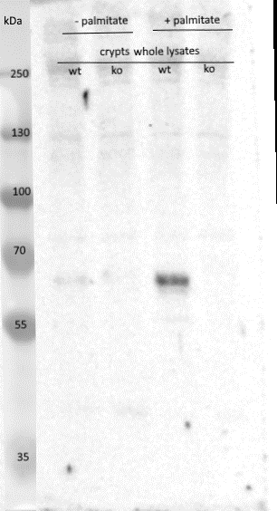
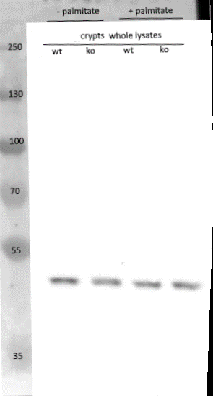

Figure 6i

WT Vehicle | WT + palmitate | WT + Wy | I-KO Veh. | I-KO + palmitate | I-KO + Wy |  | 362642 | 261835 |  | 355196.5 | 256463
0.48 | 5.33 | 31.41 | 0.42 | 0.57 | 0.68 |  | 347751 | 251091
0.75 | 3.63 | 35.78 | 0.36 | 0.66 | 0.78 |  | 244870 | 255273 |  | 237332 | 243653
1.77 | 1.14 | 10.26 | 0.62 | 0.57 | 0.9 |  | 229794 | 232033
1.17 |  | 12.35 | 0.59 | 0.66 |  |  | 310900 | 305785 |  | 304441 | 301127.5
0.64 |  |  | 0.63 |  |  |  | 297982 | 296470
0.87 |  |  | 0.51 |  |  |  | 290836 | 251477 |  | 282217 | 244273.5
1.31 |  |  | 0.51 |  |  |  | 273598 | 237070
0.84 |  |  |  |  |  |  | 296058 | 302599 |  | 290910.5 | 292144
0.93 |  |  |  |  |  |  | 285763 | 281689
1.55 |  |  |  |  |  |  | 229302 | 232439 |  | 224876 | 225763.5
 |  |  |  |  |  |  | 220450 | 219088
0.0038303317071 |  |  |  |  |  |  | 290083 | 297567 |  | 284129 | 291752.5
0.00012516849215 |  |  |  |  |  |  | 278175 | 285938
0.006069577692 |  |  |  |  |  |  | 237291 | 208628 |  | 236608 | 206192
0.12187629258 |  |  |  |  |  |  | 235925 | 203756
0.0060059968254

SFig.2
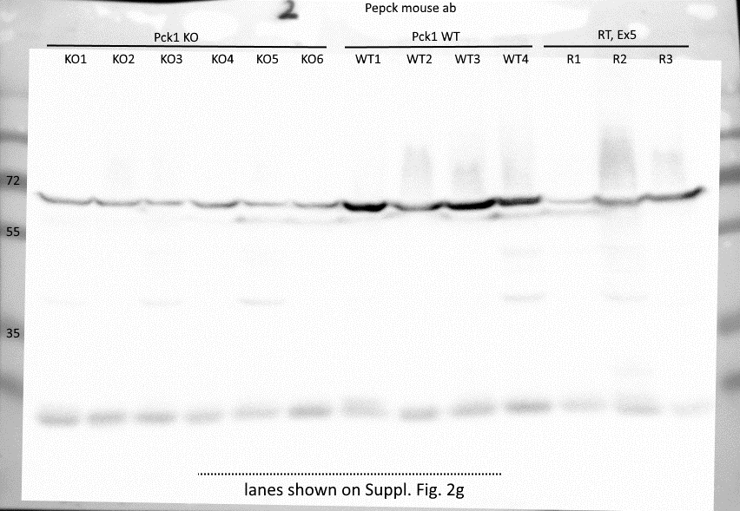
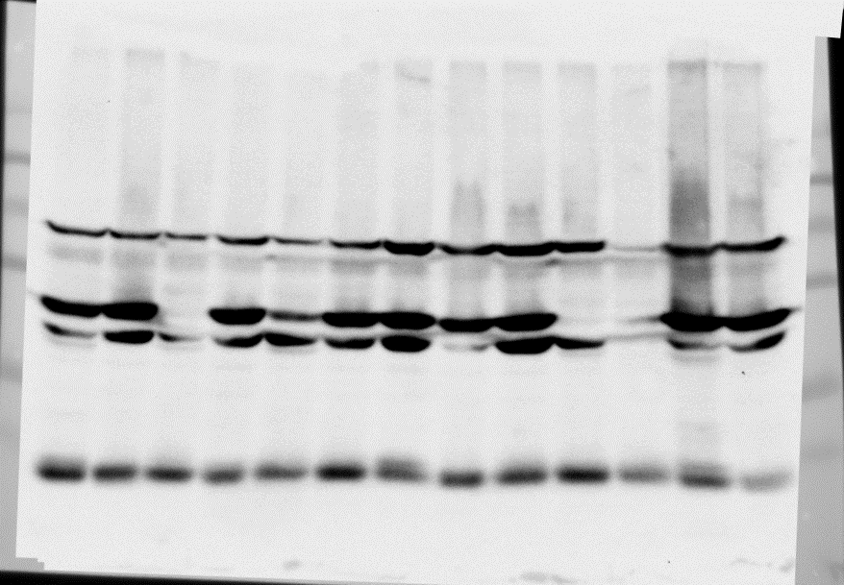
Supplementary Figure 2e
Villi | Crypts | Muscularis + submucosa
1.35 | 0.04 | 0.02
1.07 | 0.07 | 0.01
0.58 | 0.23 | 0.18
 |  | 0.01

Supplementary Figure 2f
Pck1 | Pck2
290.14 | 20.9
285.65 | 18.56
345.69 | 19.23

Supplementary Figure 2g
lox/lox | I-KO
1.155 | 0.349
0.692 | 0.166
1.153 | 0.235

Primary antibody: PEPCK (1:1000, sc-74825, Santa Cruz), 70 kDa |  |  | Primary antibody: PCNA (1:500, origene, TA309795), 28 kDa

SFig.4
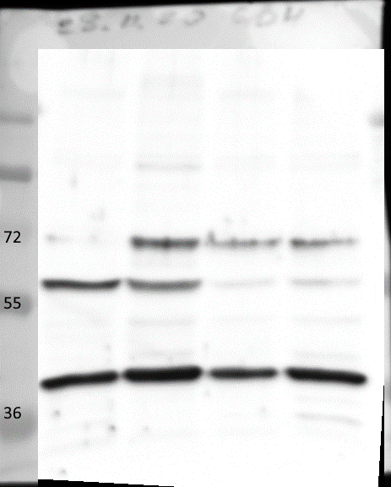
Supplementary Figure 4c
 | Glud1 I-KO |  |  |  | Glud1 lox/lox
Glud1 ex1 | 0.61 | 0.93 | 1.34 | 1.45 | 0.88 | 0.92 | 1.16 | 1.04
Glud1 ex7 | 0.01 | 0.01 | 0.02 | 0.01 | 0.42 | 1.72 | 0.26 | 1.6
Gls | 0.79 | 0.89 | 1.65 | 1.8 | 0.85 | 0.82 | 1.23 | 1.1
Sgk1 | 0.64 | 0.73 | 2.23 | 2.22 | 0.65 | 1.22 | 1.08 | 1.04
Slc5a1 | 0.63 | 0.87 | 1.11 | 1.34 | 1.04 | 0.81 | 0.99 | 1.16
Slc2a2 | 0.62 | 0.85 | 1.2 | 1.46 | 0.68 | 0.94 | 0.86 | 1.53
Slc2a5 | 0.88 | 0.64 | 0.81 | 0.88 | 0.69 | 1.13 | 1.09 | 1.09
Slc27a4 | 2.01 | 0.5 | 1.03 | 0.44 | 2.2 | 0.51 | 0.8 | 0.49
Ppara | 0.99 | 0.92 | 1.73 | 1.2 | 0.74 | 0.99 | 0.63 | 1.64

Supplementary Figure 4e
lox/lox | I-KO
1.28 | 0.13
0.72 | 0.31

 | Primary antibodies: |  | GDH (1:1000, Cell Signalling), ~55 kDa
 |  |  | GAPDH (1:1000, abcam), ~40 kDa

